GIT_HUB
 | https://rogerdudler.github.io/git-guide/index.vi.html
 | https://freetuts.net/git-lenh-checkout-branch-1075.html

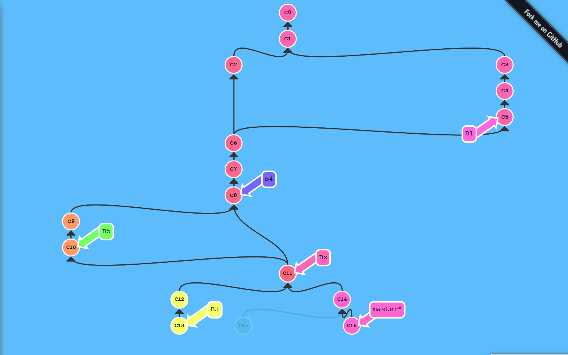

C:/Users/Lilti/Documents/Git_Kraken/git_kraken_test
 | git rm -cached a_file.text
 | git reset

// git remove commit number. e.g: N = 5th
 | git rebase -i HEAD-N

// COLECT MANY ADD USE A COMMIT:
 | git commit -a -m'commit many add to one '

// COLECT MANY COMMIT TO ONE : add to last commit ( small item is no worth to make a commit ):
 | git commit --amend -a
 | // write and quit
 | :wq

// REMOVE A COMMIT
// acc order (n-th) newest-first == 1
The HEAD~1 means the commit before head.
 | git reset --hard HEAD~1

// commit id
 | git reset --hard <sha1-commit-id>

//If you already pushed it, you will need to do a force push to get rid of it...
 | git push origin HEAD --force
// If the stupid one have pulled it, it will pushed to repo again => solu: git revert
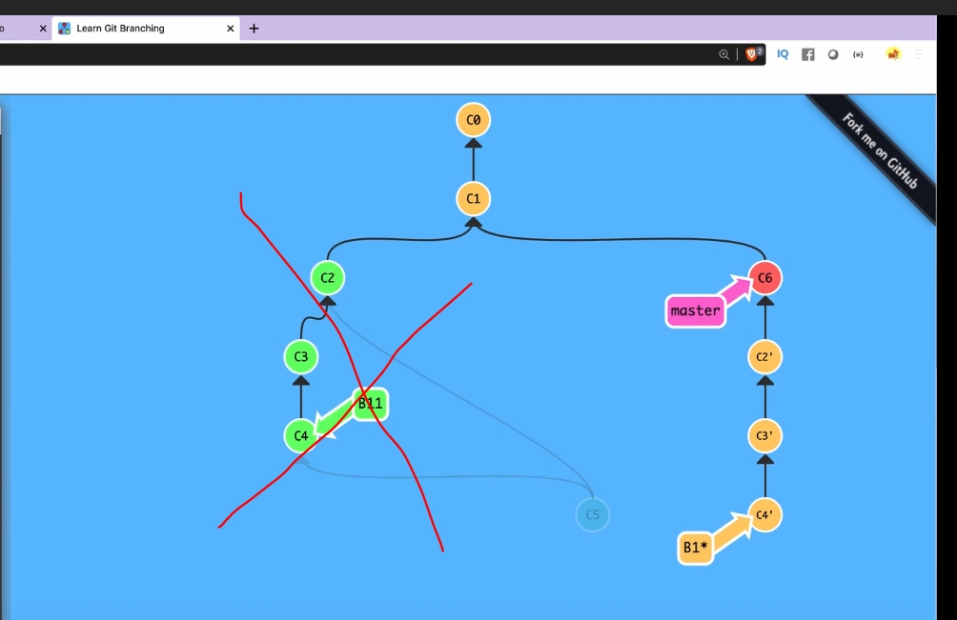
then you would be better off starting a new branch.reate a "mirror image" commit that will undo the changes. However, both commits will be in the log.
git revert
git reset --hard HEAD

astly, if you need to find a commit that you "deleted", it is typically present in git reflog
git reflog

// Such problems generally occur when you execute two git commands simultaneously
rm -f .git/index.lock
rm .git/index.lock

// overwrite History (message of git tree in remote_repository)
git push force
 | git log
// current branch | git log --oneline

GIT BRANCH

git branch
git branch B1
 | git checkout B1
# base on B1 |  |  |  | git rebase --preserver-merges

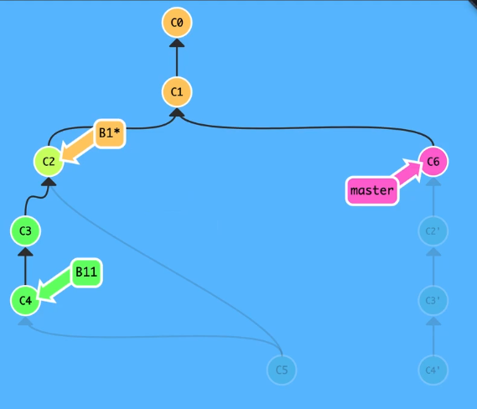
 | git branch B2 C1
# create B2 base on C1

 | git checkout -b B4
# checkout B4 and base on B4

Fast forward ( B-4 and B-master in a line ) | git checkout master ( Always merge to master )
No Fast Forward | git merge B5 --no-ff

 | #choose branch
#re-base a branch to base ( B2 based on master ) |  | git checkout B3
 | git rebase master
# move all branch to master
 | git checkout B1
 | git rebase master --preserve-merges

RESET ( like Ghost in computer) e.g reset from commit 10th -> commit 3rd )
 | delete all ( from 4-10), departure_commit = 3
 | git reset --hard commit-id-3 |  | git reset --hard C2

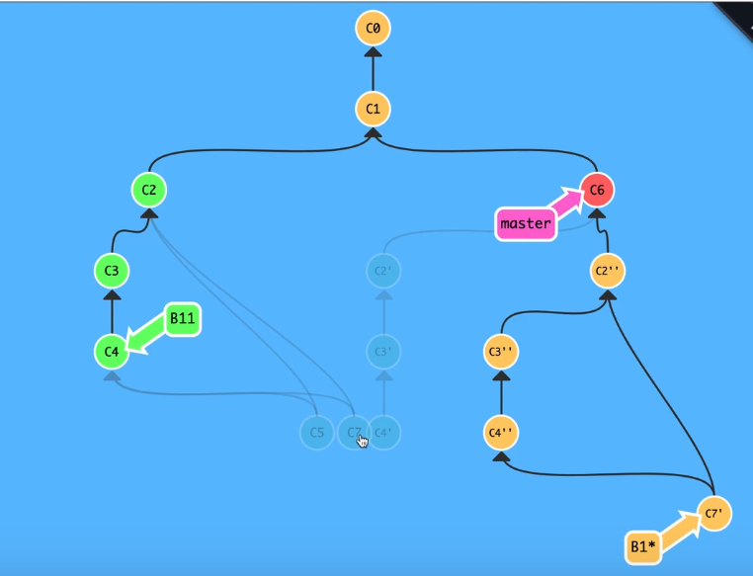

PR PULL REQUEST for leader to review_code

 | explainations | https://www.atlassian.com/git/tutorials/syncing/git-pull

 |  | https://freetuts.net/git-lenh-checkout-branch-1075.html
Từ gà tới pro Git và Github trong 20 phút |  | https://docs.google.com/presentation/d/12i4myOgbukiXtX185Kir1qE2SXIpcrd6uik4wJL_KjU/edit#slide=id.p22
 |  | https://www.youtube.com/watch?v=1JuYQgpbrW0

 | assynchronous to git-master in server | git pull origin master
 | BASE on master | *** git check out master
 | create new branch | git branch add-blogNews
 | choose branch "add-blogNews" -> current, | git checkout blogNews

 | BASE on master to MERGE | *** git checkout master
 |  | git merge add-blogNews

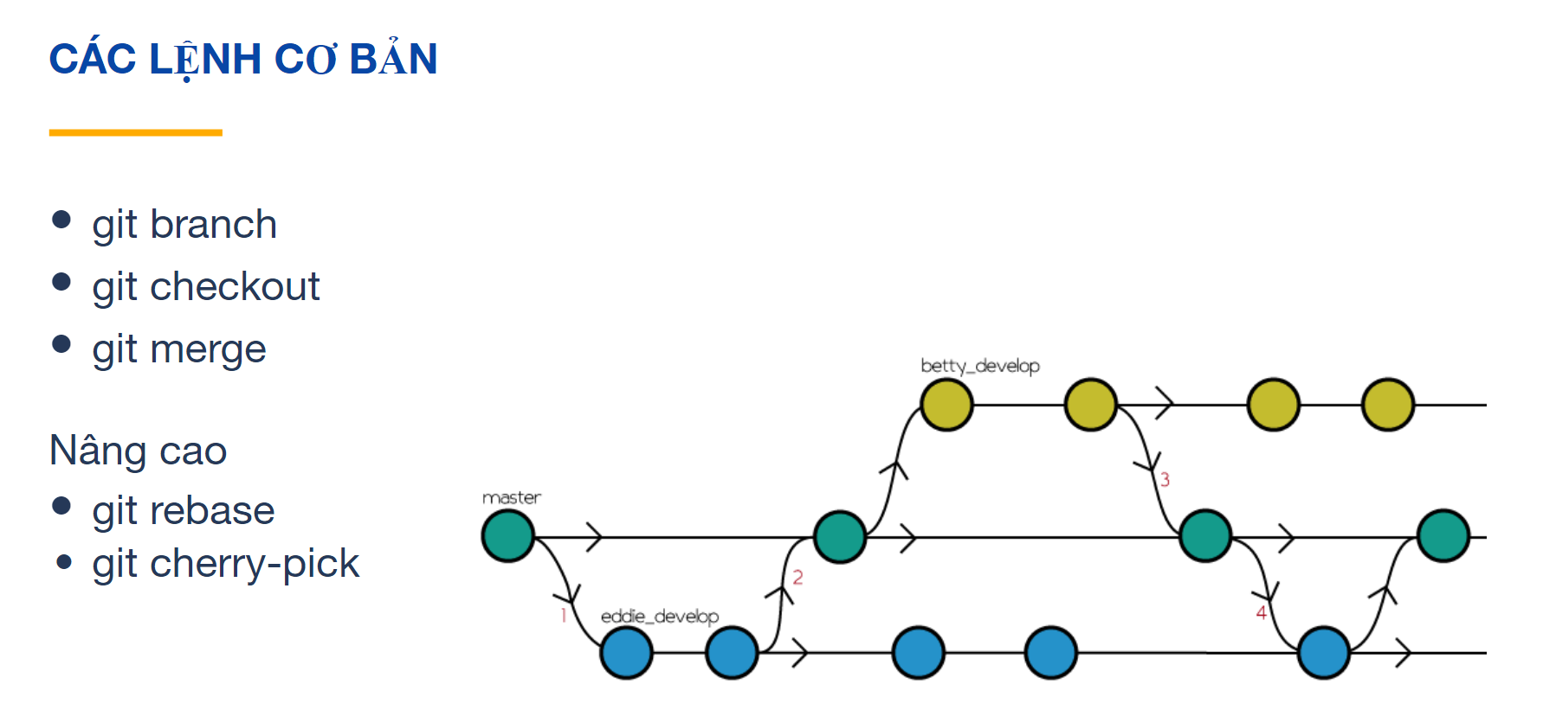

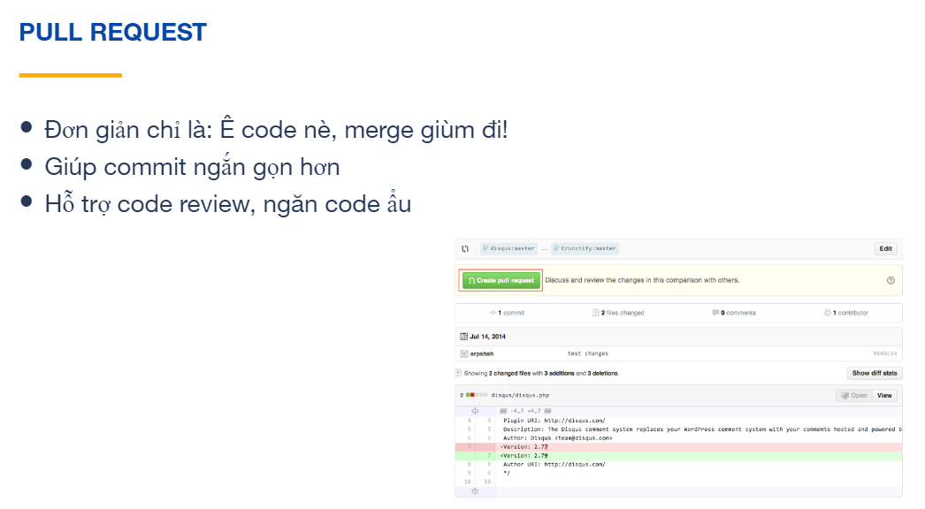

 | REMOVE LAST COMMIT THEN UPDATE!!!

 | Note that this solution works if the commit to be removed is the last committed one.

 | 1 - Copy the commit reference you like to go back to from the log:

 | git log

 | 2 - Reset git to the commit reference:

 | git reset <commit_ref>

 | 3 - Stash/store the local changes from the wrong commit to use later after pushing to remote:

 | git stash

 | 4 - Push the changes to remote repository, (-f or --force):

 | git push -f

 | 5 - Get back the stored changes to local repository:

 | git stash apply

 | 7 - In case you have untracked/new files in the changes, you need to add them to git before committing:

 | git add .

 | 6 - Add whatever extra changes you need, then commit the needed files, (or use a dot '.' instead of stating each file name, to commit all files in the local repository:

 | git commit -m "<new_commit_message>" <file1> <file2> ...

 | or

 | git commit -m "<new_commit_message>" .

Docker_concept
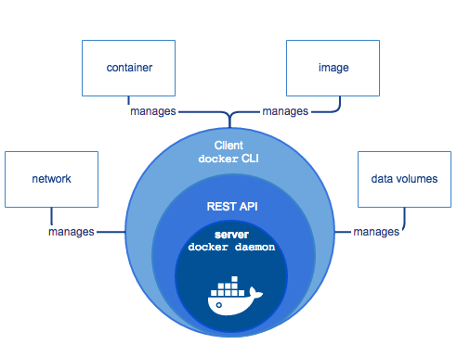
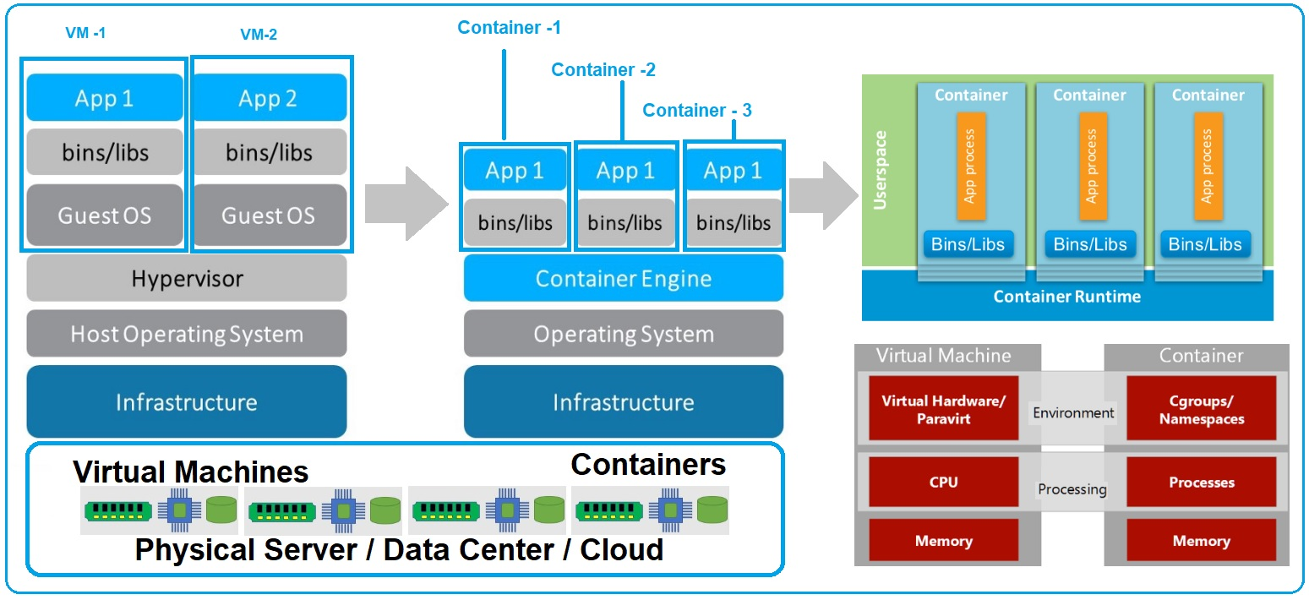

IMAGE |  |  | COTAINER |  | DOCKFILE
App Files |  |  | Running Ins of Image |  | config to use container
CLASS |  |  | Object of IMG

https://pt.slideshare.net/ZoharStolar/introduction-to-containers-running-dockers-using-kubernetes/9
https://pt.slideshare.net/Docker/docker-101-introduction-to-docker?next_slideshow=1
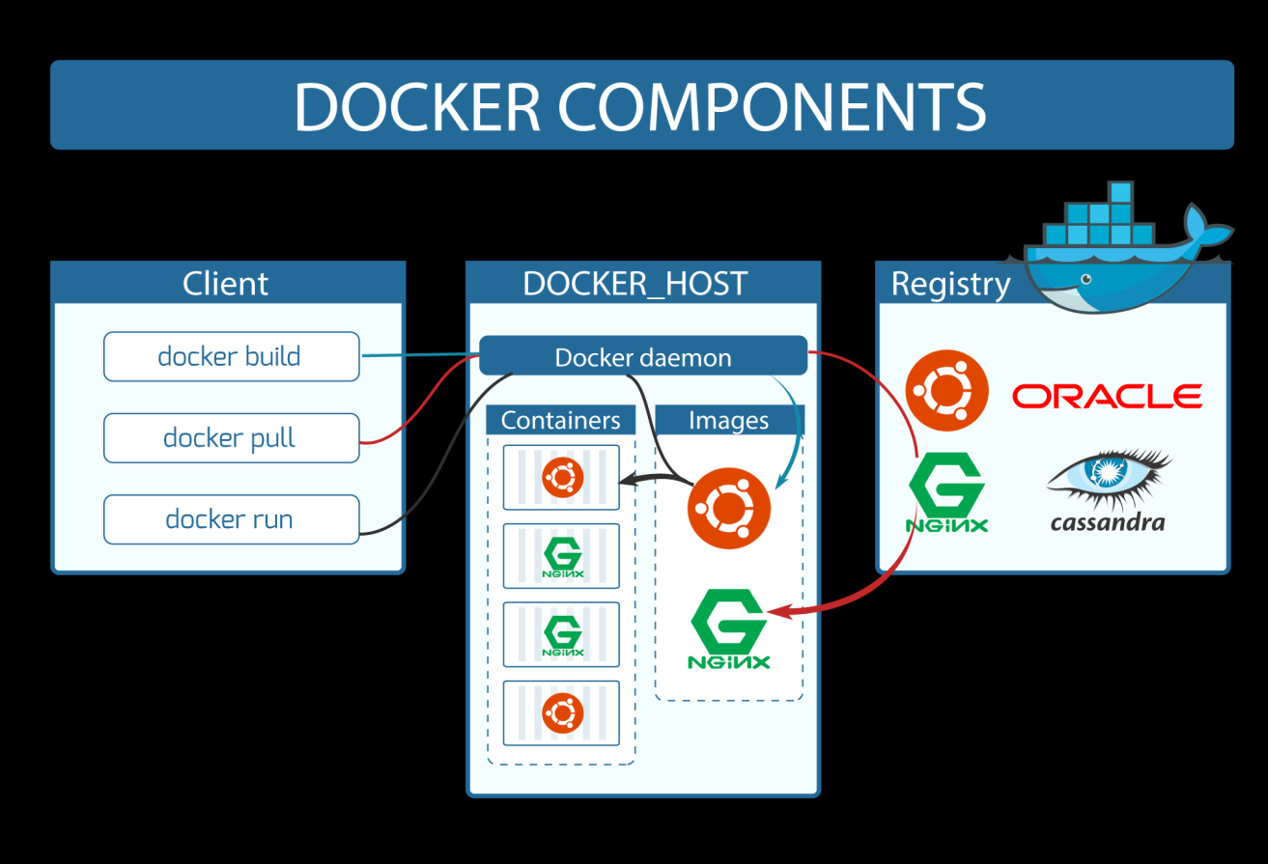

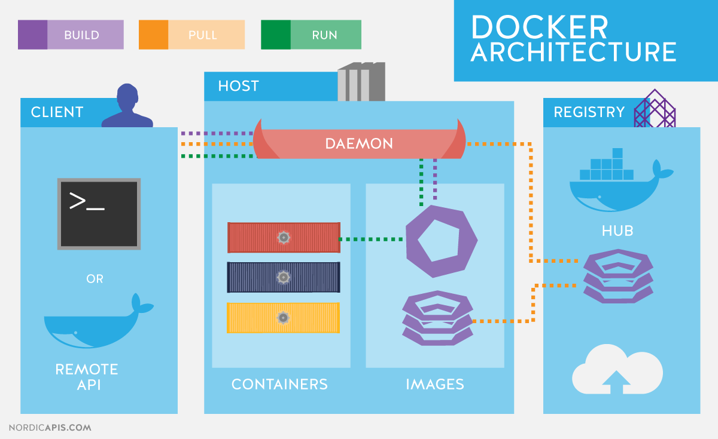

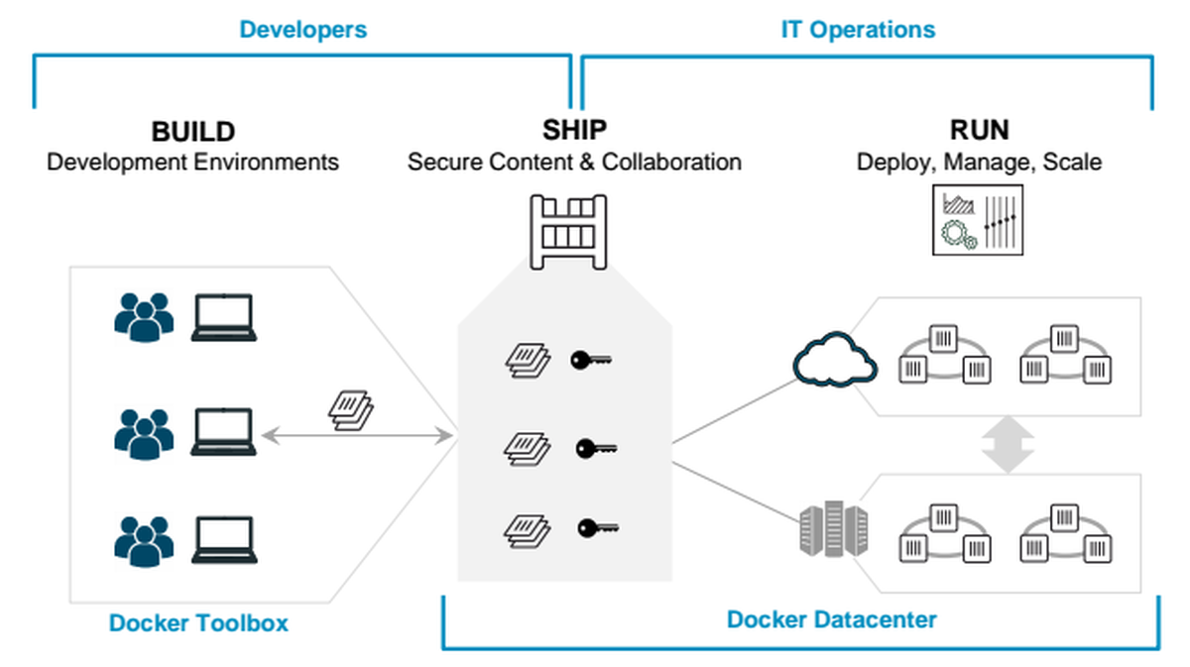

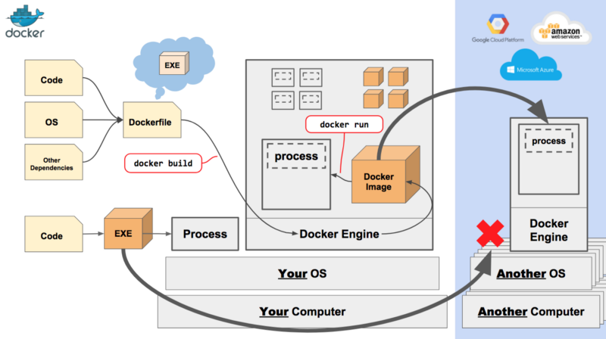

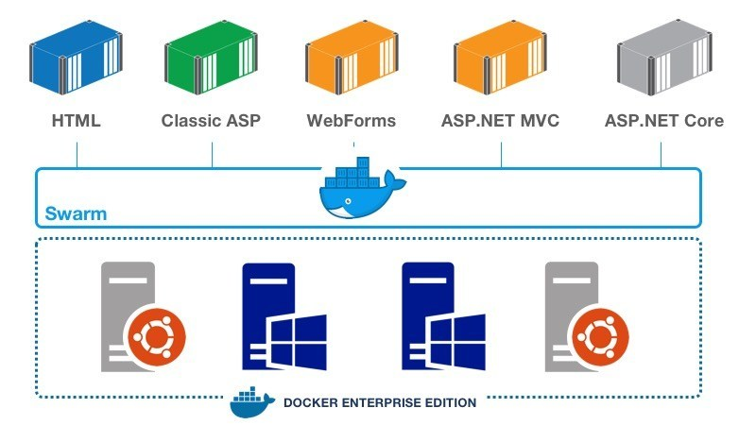

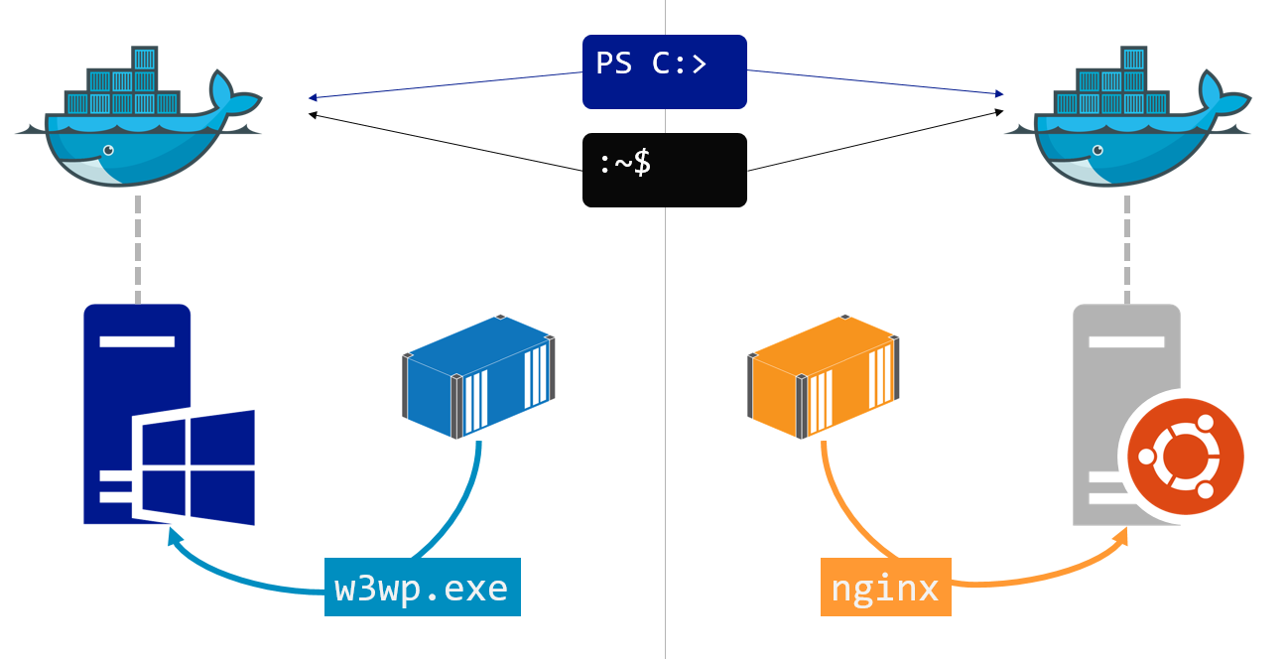



 | Docker composer : a tool run to RUN docker Image for multiple service |  |  |  |  | e.g: one sever for Python
 |  |  |  |  |  | one for Database

 | port | map port from 8000 localhost and 8000 on image
 | volume | updata app from folder to the image-container in REALTIME

 | docker . |  | run all Dockerfiles
 | docker compose build |  |  | build image using docker composer

herorku
